no_MALDI_ID PCR_candidates
MALDI "NO ID" (initial ID) |  | Associated with an IMI? | SCC
BJ041 | Corynebac | yes; 739 RH second | 13,000
BJ042 | CNS | yes; 693 LH second | 8,000
BJ058 | Corynebac | yes; 741 RH third | 36,000
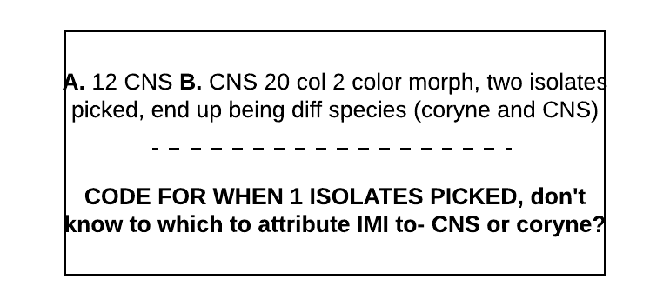
BJ066 | ? | yes; 693 LF third | 37,000

BW034 | Corynebac | unclear, see right; Love RH first | 13,000
BW075 | Strep | yes, mixed with CNS; Pomme RH second | 230,000
BW154 | ? | yes; Gabrielle RF third | 8,000

CF007 | CNS | yes, mixed with strep; 66 RH first | 5,000
CF087 | CNS | yes; 54 LH second | 18,000
CF126 | Corynebac | yes; 74 RH second | 77,000
CF133 | ? | yes; 35 RH second | 6,000
CF145 | Corynebac | yes; 32 LF third | 1,100,000
CF152 | Corynebac | yes; 12 LH third | 19,000
CF155 | Corynebac | yes; 74 RH third | 43,000
CF166 | Corynebac | yes, mixed with strep; 86 RH third | 120,000
CF193 | ? | yes; 57 LH fourth | 18,000
CF217 | Corynebac | no, contam; 74 RH fourth |  | start with 8 isolates
 |  |  |  | general 16s primers for these 8-10 isolates
GV071 | Strep | yes, mixed with next isolate; 42 LH second | 4,000,000 | do blast search on PCR products
GV072 | ? | yes, mixed with prev. isolate; 42 LH second | 4,000,000 | then evaluate how well it worked
GV089 | CNS | yes; 207 LH second | 66,000
GV136 | CNS | yes; 207 LH third | 111,000 | if 16s worked well to tell us species? Great
 |  |  |  | if didn't, need different primers (rpob)
LF013 | CNS | yes; Jitterbug LH first | 6,000
LF015 | CNS | yes; Lilac RH first | 20,000
LF019 | Strep | yes; Amarillo LH first | 61,000
LF020 | CNS | yes; Amarillo LF first | 7,000
LF027 | CNS | no; Lovage RH first | 970,000
LF067 | CNS | yes; Chaloopa RH second | 100,000
LF079 | CNS | yes; Lilac RH second | 21,000

OB016 | Corynebac | yes, mixed with strep; Peonie RH first | 8,000
OB031 | CNS | yes; Spice LH first | 34,000
OB035 | CNS | no; Whinnie LF first | 6,000
OB060 | Corynebac | yes; Teach LF second | 6,000
OB139 | Gramneg.noncoli | no, contam; Kooper RH third | 30,000

PB041 | CNS | yes; Marney382 LH second | 26,000
PB063 | Corynebac | yes; Champne25 RH third | 0
PB065 | Corynebac | no, contam; GloryBe29 LH third | 13,000
PB087 | CNS | yes, mixed with strep; Marney 382 RH third | 72,000

SP002 | CNS | yes; Zag LF first | 10,000

VT029 | CNS | yes; Imogene LH first | 2,000
VT035 | ? | yes, Lena RH second | 6,000
VT036 | CNS | yes, Lena RF second | 8,000
VT064 | Corynebac | yes; Vera RF third | 10,000
VT083 | CNS | yes; Tilly LH third | 25,000
VT102 | CNS | no (sampling error, disclude); Gloria LH third | 6,000
VT105 | Corynebac | unclear, see right; Abigail LF third | 200,000

quarter code key
quarter_code | freq | perc |  | Example | IMI in series? | IMI in parallel?
1 | 96 | 2.3 | Isolate was present in both duplicates (3 CFU or greater) AND fewer than 3 types of different morphs total (which would = “contam"); AND minor growth (less than 3 CFU) of something else present in one or both duplicates (no isolate of second org picked) OR a different isolate picked from one or both duplicates but not mixed infection |  | yes | yes
2 | 838 | 19.9 | Isolate was present in both duplicates (3 CFU or greater), no other growth in either duplicate |  | yes | yes
3 | 1562 | 37.1 | No growth at all in either duplicate | 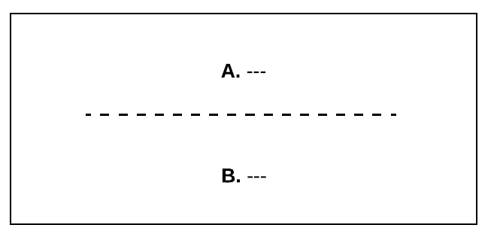 | no | no
“contam” if ≥3 morphs
4 | 238 | 5.7 | Contamination in one duplicate, no growth in the other | 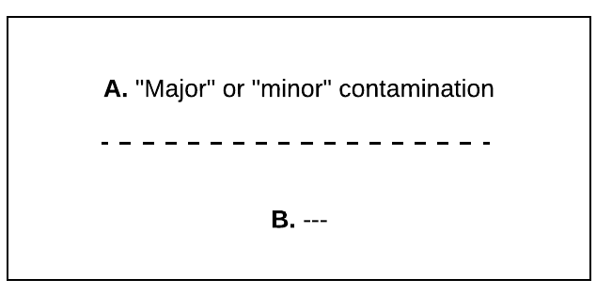 | no | no
≤2 CFU of each morph in ONE dup, NG in other, or just molds in 1
5 | 667 | 15.8 | "No significant growth" in one duplicate (fewer than 3 CFU of any type of organism present) AND no isolate picked, no growth in the other duplicate | 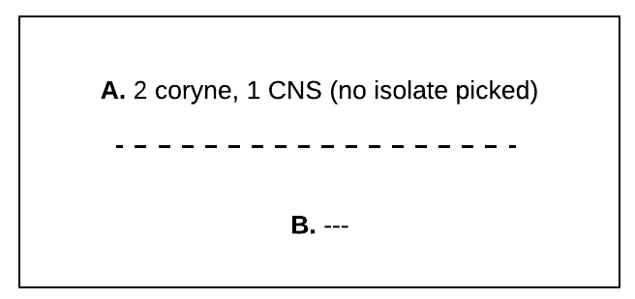 | no | no
≤2 CFU of each morph in BOTH dup, NOT SAME ORG
6 | 62 | 1.5 | "No significant growth" in both duplicates (fewer than 3 CFU of any type of organism present) AND no isolate picked | 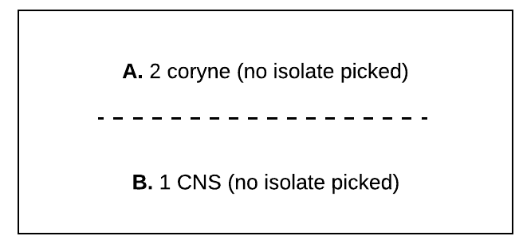 | no | no
7 | 77 | 1.8 | No significant growth in one duplicate (fewer than 3 CFU, no isolate picked) and contamination in the other | 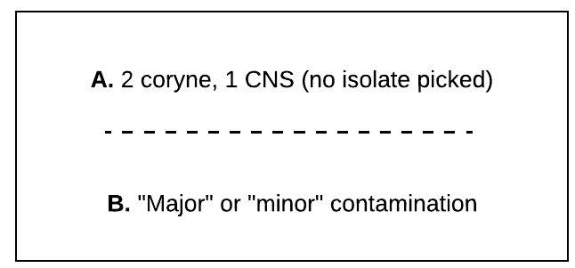 | no | no
8 | 124 | 2.9 | Contamination in both duplicates (either wrote "contamination" major or minor, or had 3 or greater types of colonies present) |  | no | no
≥3 CFU of 1 morph in one dup YES in parallel
9 | 6 | 0.1 | One morphology of organism growing in one duplicate (3 CFU or greater), isolate picked; other duplicate same was missed |  | no | yes, and can ID causative pathogen
≥3 CFU of 1 morph in one dup YES in parallel
10 | 122 | 2.9 | One morphology of organism growing in one duplicate (3 CFU or greater), isolate NOT picked; no growth in other duplicate |  | no | yes, but need to treat specially bc can’t ID causative pathogen (vs. 17, where we can't; similar to 23, but duplicate is NG vs. NSG)
≥3 CFU of 1 morph in one dup YES in parallel
≥3 CFU of 1 morph in one dup YES in parallel
11 | 2 | 0.0 | One morphology of organism growing in one duplicate (3 CFU or greater), isolate picked; other duplicate "no significant growth" (fewer than 3 CFU, no isolate picked) |  | no | yes, and can ID causative pathogen (similar to 17, but duplicate is NSG vs. NG)
12 | 60 | 1.4 | Contamination in one duplicate (either wrote "contamination" major or minor, or had 3 or greater types of colonies present) |  | no | maybe sometimes? need to diferentiate when both dup are contaminated and isolates were still picked, vs. one duplicate not contaminated and isolate was picked
≥3 CFU of 1 morph in one dup YES in parallel
13 | 31 | 0.7 |  |  | no, but is this “negative" or arguably “contaminated?” | maybe, but can’t attribute to an organism (similar to 12 but no ID done)? or does having one duplicate contaminated make quarter contaminated?
14 | 7 | 0.2 |  |  | no, but not “negative” bc might be hiding CNS or coryne IMI; arguably “NSG” or “contaminated” | let’s say “no” bc less than 3 CFU of one morph; can’t attribute to an organism
15 | 25 | 0.6 |  |  | not “IMI,” but is it “negative?” | need to disclude? could be anything!
16 | 88 | 2.1
≥3 CFU of 1 morph in one dup YES in parallel
17 | 11 | 0.3 |  |  | no | yes, and can ID causative pathogen (similar to 10, but duplicate is NG vs. NSG)
18 | 0 | 0.0
TECHNICALLY yes IMI in series, but missed picking isolate; ≥3 CFU of 1 morph in at least one dup
19 | 10 | 0.2 |  |  | should technically be yes, but need to treat specially bc can't ID causative pathogen | should technically be yes, but need to treat specially bc can't ID causative pathogen
≤2 CFU of each morph in both dup, NSG? TECHNICALLY IMI in series, missed picking isolate
20 | 25 | 0.6 |  |  | should technically be yes, but need to treat specially bc can't ID causative pathogen; questionable as NSG? | "no” if use rule of ≥3 CFU of 1 morph in one dup; questionable as NSG?
21 | 4 | 0.1 |  |  | "yes" for corynebac; CNS technically could be IMI, but missed picking second isolate; arguably NSG. affects mixed infection yes/no | "yes" for corynebac; CNS not an IMI if use rule of ≥3 CFU of 1 morph in one dup; questionable as NSG?
22 | 12 | 0.3
≥3 CFU of 1 morph in one dup YES in parallel
23 | 18 | 0.4 |  | 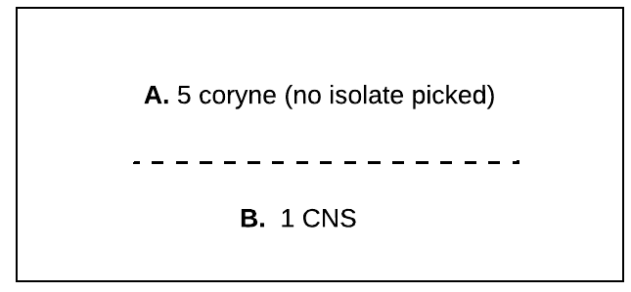 | no | "yes" for coryne (≥3 CFU of 1 thing in one dup), but need to treat specially in analysis bc can’t ID causative pathogen (vs. 11 where we can; similar to 10, but duplicate is NSG vs. NG)
24 | 4 | 0.1 |  | 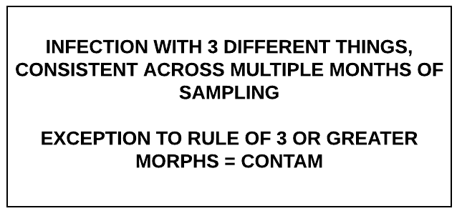 | yes, and mixed | yes, and mixed
≥3 CFU of 1 morph in one dup YES in parallel, MIXED
25 | 4 | 0.1 |  | 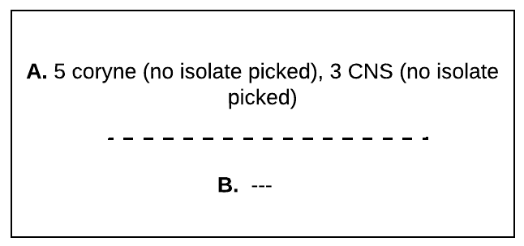 | no | yes for coryne (≥3 CFU of 1 thing in one dup) and CNS, mixed; but need to treat specially in analysis bc can’t ID causative pathogen; same as 10/23 but “mixed”
26 | 4 | 0.1 |  |  | yes but can’t attribute to species? not mixed? | yes but can’t attribute to species? mixed?
27 | 92 | 2.2 |  | 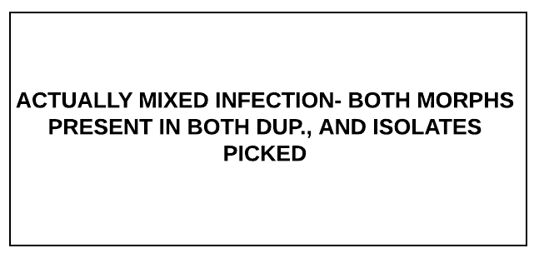 | yes, and mixed | yes, and mixed
28 | 3 | 0.1 |  | 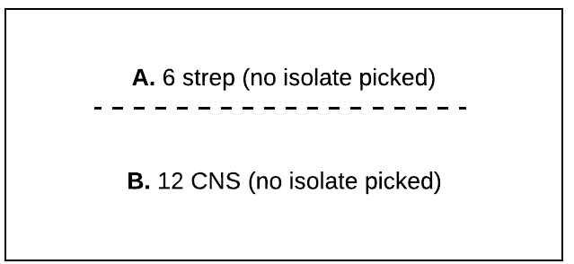 | no, but how categorized? not really negative, or contam? | "yes" and count as 2 IMI (≥3 CFU of 1 thing in one dup), but need to treat specially in analysis bc can’t ID causative pathogen
29 | 11 | 0.3 |  | 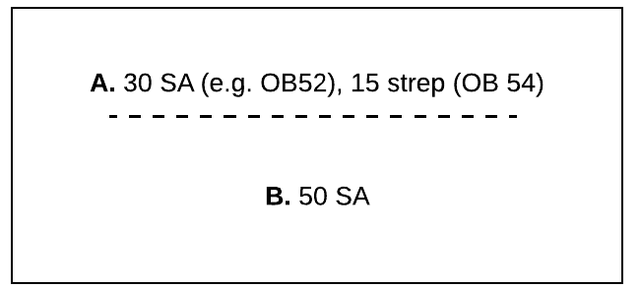 | yes, single | yes, and mixed
30 | 2 | 0.0 |  | 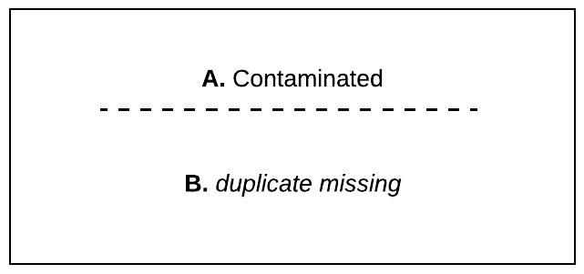 | no | no
31 | 0 | 0.0 |  | 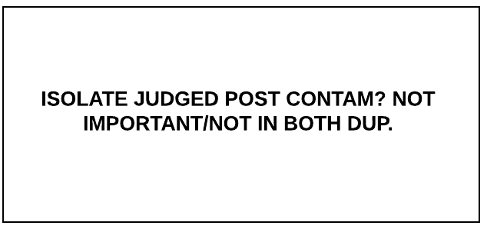
32 | 3 | 0.1 |  | 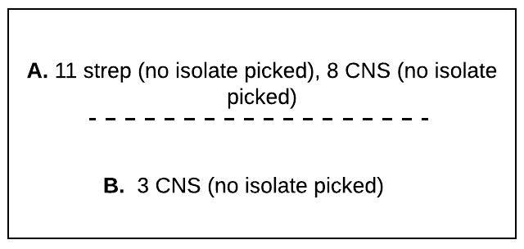 | tech “yes” IMI we missed | yes, and mixed, but need to treat specially in analysis bc can’t ID causative pathogen (like 29 but no ID)
33 | 1 | 0.0 |  | 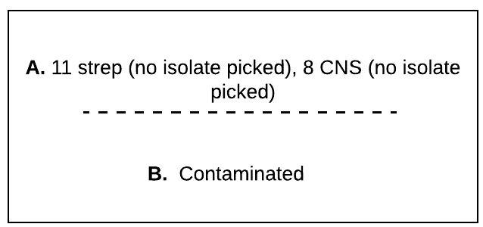 | no | yes, and mixed? but need to treat specially in analysis bc can’t ID causative pathogen (like 29 but no ID); or does one dup. contaminated make quarter contam?
34 | 1 | 0.0 |  | 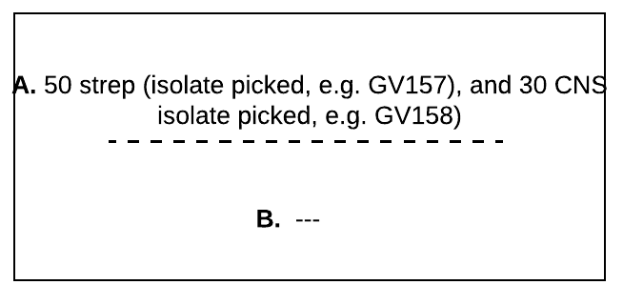 | no | yes, and mixed, and can ID
35 | 2 | 0.0 |  | 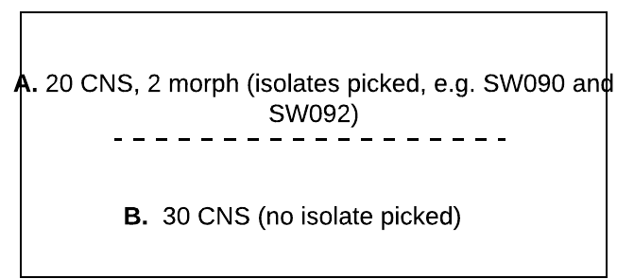 | yes, single, and know species but don’t know which isolate # to attribute to | yes, and know species but don’t know which isolate # to attribute to, or if mixed or not
sum | 4212 | 100

